ESPRIT
ESPRIT LADIE'S BEACHWEAR
PHOTOS | DESCRIPTION | CAT | COLOR | REF | SERIES | COL | SIZES | QTY | CUP | GRID VALUE | EAN | GENDER | Pack | LOTE
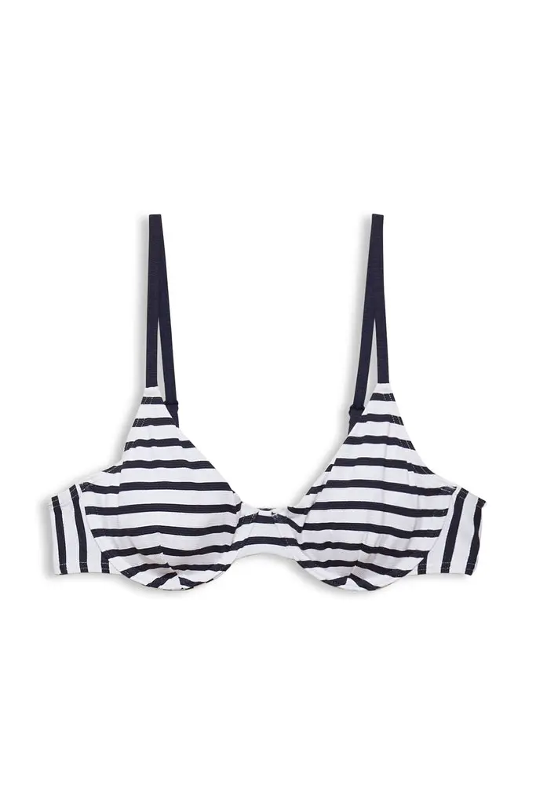 | 992EF1A308 Underwire | Top / Bra | DARK BLUE | 10211988 | Hamptons Beach | E402 | 38 | 24 | B | E402B038 | 4064819493695 | Women | 1 | 12
 |  |  | DARK BLUE |  |  | E402 | 40 | 84 | B | E402B040 | 4064819493725
 |  |  | DARK BLUE |  |  | E402 | 36 | 10 | C | E402C036 | 4064819493671
 |  |  | DARK BLUE |  |  | E402 | 38 | 42 | C | E402C038 | 4064819493701
 |  |  | DARK BLUE |  |  | E402 | 40 | 12 | C | E402C040 | 4064819493732
 |  |  | DARK BLUE |  |  | E402 | 36 | 32 | D | E402D036 | 4064819493688
 |  |  | DARK BLUE |  |  | E402 | 38 | 76 | D | E402D038 | 4064819493718
 |  |  | DARK BLUE |  |  | E402 | 40 | 41 | D | E402D040 | 4064819493749
 |  |  | LT./PASTEL RED |  |  | E630 | 42 | 71 | D | E630D042 | 4064819763095
 | Total 992EF1A308 Underwire |  |  |  |  |  |  | 392
 | 992EF1A310 Padded Halterneck | Top / Bra | DARK BLUE | 10211990 | Hamptons Beach | E402 | 42 | 147 | A | E402A042 | 4064819577883 | Women | 1 | 12
 |  |  | DARK BLUE | 10211990 |  | E402 | 42 | 81 | B | E402B042 | 4064819494166
 |  |  | DARK BLUE | 10211990 |  | E402 | 40 | 20 | C | E402C040 | 4064819494142
 |  |  | DARK BLUE | 10211990 |  | E402 | 42 | 228 | C | E402C042 | 4064819494173
 |  |  | LT./PASTEL RED | 10211990 |  | E630 | 42 | 25 | A | E630A042 | 4064819763279
 |  |  | LT./PASTEL RED | 10211990 |  | E630 | 40 | 47 | B | E630B040 | 4064819763255
 |  |  | LT./PASTEL RED | 10211990 |  | E630 | 38 | 39 | C | E630C038 | 4064819763231
 |  |  | LT./PASTEL RED | 10211990 |  | E630 | 40 | 7 | C | E630C040 | 4064819763262
 |  |  | OPEN GREEN | 10211990 |  | E347 | 36 | 44 | A | E347A036 | 4064819577814
 |  |  | OXFORD | 10211990 |  | E003 | 38 | 2 | A | E003A038 | 4066359190225
 | Total 992EF1A310 Padded Halterneck |  |  |  |  |  |  | 640
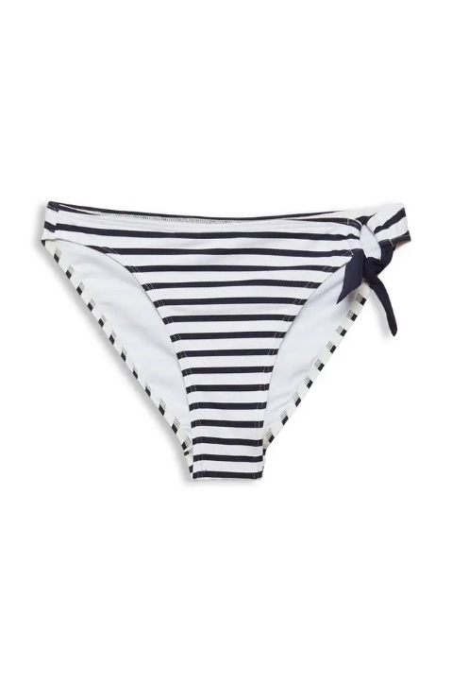 | 992EF1A312 Mini | Bottom | DARK BLUE | 10211992 | Hamptons Beach | E402 | 36 | 41 | Not assigned | E402036 | 4064819494661 | Women | 1 | 10
 |  |  | DARK BLUE | 10211992 |  | E402 | 42 | 16 |  | E402042 | 4064819494692
 |  |  | DARK BLUE | 10211992 |  | E402 | 44 | 72 |  | E402044 | 4064819494708
 |  |  | LT./PASTEL RED | 10211992 |  | E630 | 44 | 47 |  | E630044 | 4064819763354
 | Total 992EF1A312 Mini |  |  |  |  |  |  | 176
 | 992EF1A313 Classic Brief | Bottom | DARK BLUE | 10212015 | Hamptons Beach | E402 | 34 | 162 | Not assigned | E402034 | 4064819376257 | Women | 1 | 10
 | Total 992EF1A313 Classic Brief |  |  |  |  |  |  | 162
 | 992EF1A314 Hipster Shorts | Bottom | LT./PASTEL RED | 10212016 | Hamptons Beach | E630 | 34 | 119 | Not assigned | E630034 | 4064819763361 | Women | 1 | 10
 |  |  |  |  |  |  | 44 | 13 |  |  | 4064819763415
 | Total 992EF1A314 Hipster Shorts |  |  |  |  |  |  | 132
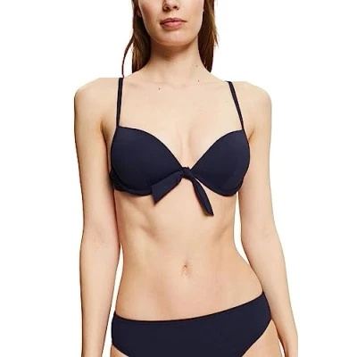 | 992EF1A316 Padded Bra | Top / Bra | BLUE | 10212018 | Hamptons Beach | E400 | 38 | 157 | A | E400A038 | 4064819495071 | Women | 1 | 12
 |  |  | BLUE |  |  | E400 | 40 | 18 | A | E400A040 | 4064819495101
 |  |  | BLUE |  |  | E400 | 42 | 106 | A | E400A042 | 4064819495132
 |  |  | BLUE |  |  | E400 | 38 | 114 | B | E400B038 | 4064819495088
 |  |  | BLUE |  |  | E400 | 42 | 158 | B | E400B042 | 4064819495149
 |  |  | BLUE |  |  | E400 | 38 | 5 | C | E400C038 | 4064819495095
 |  |  | LT./PASTEL RED |  |  | E630 | 40 | 2 | A | E630A040 | 4064819763484
 |  |  | LT./PASTEL RED |  |  | E630 | 42 | 10 | A | E630A042 | 4064819763514
 |  |  | LT./PASTEL RED |  |  | E630 | 40 | 49 | B | E630B040 | 4064819763491
 |  |  | LT./PASTEL RED |  |  | E630 | 42 | 90 | B | E630B042 | 4064819763521
 |  |  | OPEN GREEN |  |  | E345 | 36 | 9 | A | E345A036 | 4064819376288
 |  |  | OPEN GREEN |  |  | E345 | 38 | 60 | A | E345A038 | 4064819494951
 |  |  | OPEN GREEN |  |  | E345 | 40 | 28 | A | E345A040 | 4064819494982
 |  |  | OPEN GREEN |  |  | E345 | 42 | 16 | A | E345A042 | 4064819495019
 |  |  | OPEN GREEN |  |  | E345 | 38 | 32 | B | E345B038 | 4064819494968
 |  |  | OPEN GREEN |  |  | E345 | 40 | 4 | B | E345B040 | 4064819494999
 |  |  | OPEN GREEN |  |  | E345 | 42 | 20 | B | E345B042 | 4064819495026
 |  |  | OPEN GREEN |  |  | E345 | 38 | 7 | C | E345C038 | 4064819494975
 |  |  | OPEN GREEN |  |  | E345 | 40 | 9 | C | E345C040 | 4064819495002
 |  |  | OPEN GREEN |  |  | E345 | 42 | 2 | C | E345C042 | 4064819495033
 | Total 992EF1A316 Padded Bra |  |  |  |  |  |  | 896
 | 992EF1A317 Underwire | Top / Bra | OPEN GREEN | 10212019 | Hamptons Beach | E345 | 38 | 22 | B | E345B038 | 4064819495187 | Women | 1 | 12
 |  |  |  |  |  |  | 36 | 8 | C | E345C036 | 4064819495163
 | Total 992EF1A317 Underwire |  |  |  |  |  |  | 30
 | 992EF1A318 Classic Brief | Bottom | BLUE | 10212020 | Hamptons Beach | E400 | 36 | 294 | Not assigned | E400036 | 4064819495460 | Women | 1 | 10
 |  |  |  |  |  |  | 42 | 30 | Not assigned | E400042 | 4064819495491
 | Total 992EF1A318 Classic Brief |  |  |  |  |  |  | 324
 | 992EF1A319 Mid Waist Brief | Bottom | BLUE | 10212021 | Hamptons Beach | E400 | 44 | 6 | Not assigned | E400044 | 4064819495637 | Women | 1 | 10
 |  |  |  |  |  |  | 34 | 7 | Not assigned | E630034 | 4064819763767
 | Total 992EF1A319 Mid Waist Brief |  |  |  |  |  |  | 13
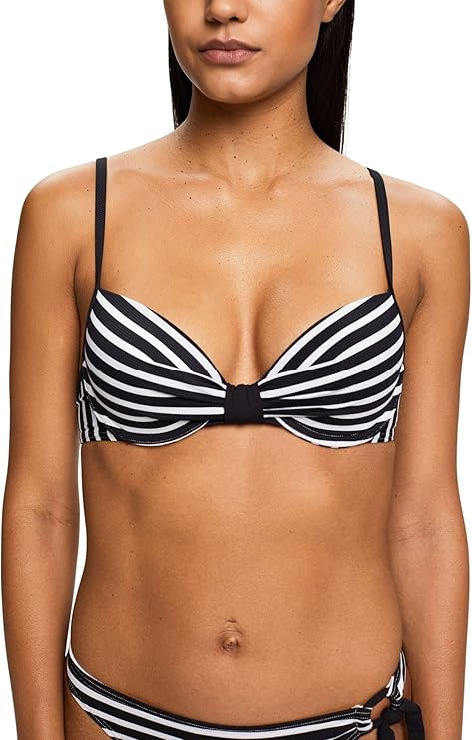 | 993EF1A301 Padded Bra | Top / Bra | OXFORD | 10215608 | Hamptons Beach | E003 | 36 | 2,265 | A | E003A036 | 4066361269131 | Women | 1 | 12
 |  |  |  |  |  |  | 38 | 2,893 | A | E003A038 | 4066361269681
 |  |  |  |  |  |  | 40 | 1,732 | A | E003A040 | 4066361269728
 |  |  |  |  |  |  | 42 | 28 | A | E003A042 | 4066361269766
 |  |  |  |  |  |  | 36 | 3,915 | B | E003B036 | 4066361269650
 |  |  |  |  |  |  | 38 | 8,039 | B | E003B038 | 4066361269698
 |  |  |  |  |  |  | 40 | 5,563 | B | E003B040 | 4066361269735
 |  |  |  |  |  |  | 42 | 2,853 | B | E003B042 | 4066361269773
 |  |  |  |  |  |  | 36 | 1,446 | C | E003C036 | 4066361269667
 |  |  |  |  |  |  | 38 | 5,484 | C | E003C038 | 4066361269704
 |  |  |  |  |  |  | 40 | 5,108 | C | E003C040 | 4066361269742
 |  |  |  |  |  |  | 42 | 4,550 | C | E003C042 | 4066361269780
 |  |  |  |  |  |  | 36 | 659 | D | E003D036 | 4066361269674
 |  |  |  |  |  |  | 38 | 1,554 | D | E003D038 | 4066361269711
 |  |  |  |  |  |  | 40 | 1,930 | D | E003D040 | 4066361269759
 |  |  |  |  |  |  | 42 | 2,511 | D | E003D042 | 4066361269797
 | Total 993EF1A301 Padded Bra |  |  |  |  |  |  | 50,530
 | 993EF1A302 underwire | Top / Bra | OXFORD | 10215609 | Hamptons Beach | E003 | 36 | 765 | B | E003B036 | 4066361269148 | Women | 1 | 10
 |  |  |  |  |  |  | 38 | 1,775 | B | E003B038 | 4066361269827
 |  |  |  |  |  |  | 40 | 1,635 | B | E003B040 | 4066361269858
 |  |  |  |  |  |  | 42 | 997 | B | E003B042 | 4066361269889
 |  |  |  |  |  |  | 44 | 358 | B | E003B044 | 4066361269919
 |  |  |  |  |  |  | 36 | 725 | C | E003C036 | 4066361269803
 |  |  |  |  |  |  | 38 | 2,323 | C | E003C038 | 4066361269834
 |  |  |  |  |  |  | 40 | 2,741 | C | E003C040 | 4066361269865
 |  |  |  |  |  |  | 42 | 2,306 | C | E003C042 | 4066361269896
 |  |  |  |  |  |  | 44 | 1,179 | C | E003C044 | 4066361269926
 |  |  |  |  |  |  | 36 | 495 | D | E003D036 | 4066361269810
 |  |  |  |  |  |  | 38 | 1,326 | D | E003D038 | 4066361269841
 |  |  |  |  |  |  | 40 | 1,590 | D | E003D040 | 4066361269872
 |  |  |  |  |  |  | 42 | 1,549 | D | E003D042 | 4066361269902
 |  |  |  |  |  |  | 44 | 885 | D | E003D044 | 4066361269933
 | Total 993EF1A302 underwire |  |  |  |  |  |  | 20,649
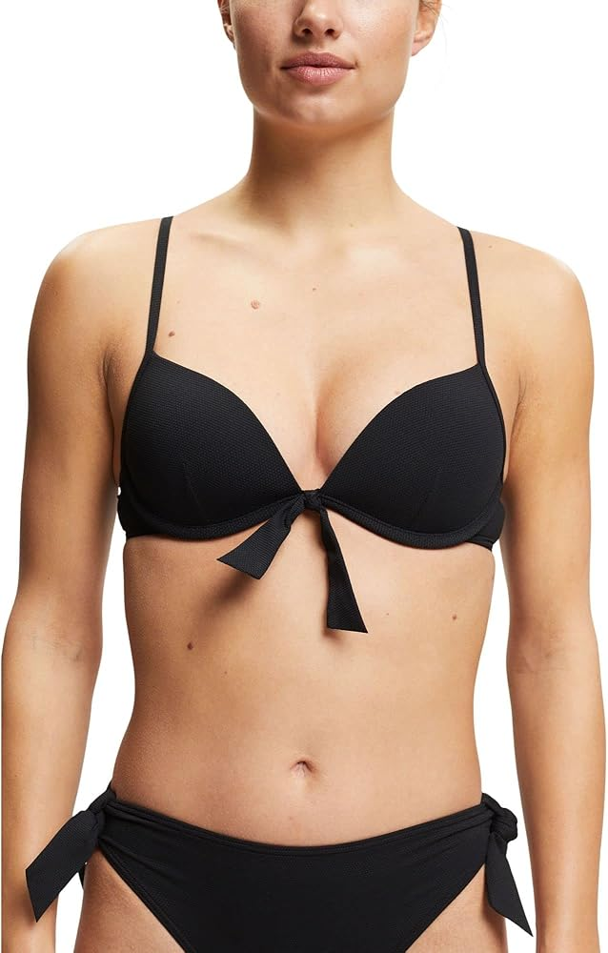 | 993EF1A303 padded plunge | Top / Bra | BLACK | 10215625 | Hamptons Beach | E001 | 36 | 1,448 | A | E001A036 | 4066361269155 | Women | 1 | 9
 |  |  |  |  |  |  | 38 | 1,787 | A | E001A038 | 4066361269964
 |  |  |  |  |  |  | 40 | 1,137 | A | E001A040 | 4066361269995
 |  |  |  |  |  |  | 42 | 185 | A | E001A042 | 4066361270021
 |  |  |  |  |  |  | 36 | 2,386 | B | E001B036 | 4066361269940
 |  |  |  |  |  |  | 38 | 4,817 | B | E001B038 | 4066361269971
 |  |  |  |  |  |  | 40 | 3,351 | B | E001B040 | 4066361270007
 |  |  |  |  |  |  | 42 | 1,905 | B | E001B042 | 4066361270038
 |  |  |  |  |  |  | 36 | 1,000 | C | E001C036 | 4066361269957
 |  |  |  |  |  |  | 38 | 3,214 | C | E001C038 | 4066361269988
 |  |  |  |  |  |  | 40 | 3,088 | C | E001C040 | 4066361270014
 |  |  |  |  |  |  | 42 | 2,848 | C | E001C042 | 4066361270045
 | Total 993EF1A303 padded plunge |  |  |  |  |  |  | 27,166
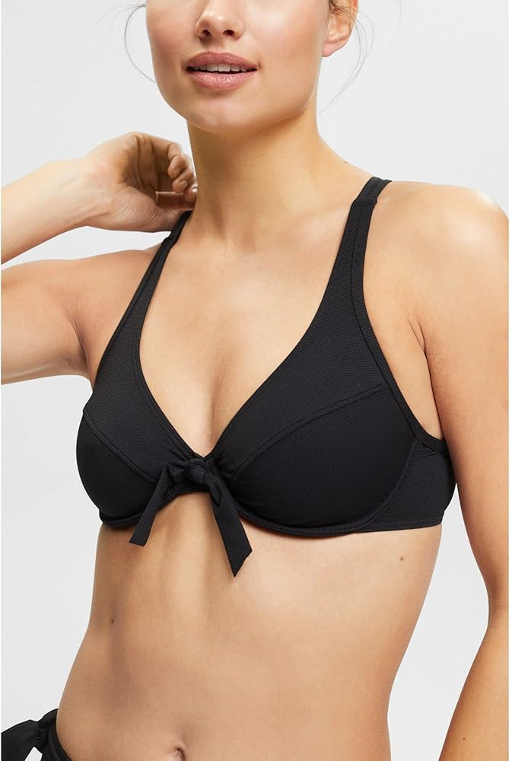 | 993EF1A304 underwire bra | Top / Bra | BLACK | 10215626 | Hamptons Beach | E001 | 36 | 411 | B | E001B036 | 4066361269162 | Women | 1 | 10
 |  |  |  |  |  |  | 38 | 1,080 | B | E001B038 | 4066361270076
 |  |  |  |  |  |  | 40 | 922 | B | E001B040 | 4066361270106
 |  |  |  |  |  |  | 42 | 475 | B | E001B042 | 4066361270137
 |  |  |  |  |  |  | 44 | 232 | B | E001B044 | 4066361270168
 |  |  |  |  |  |  | 36 | 418 | C | E001C036 | 4066361270052
 |  |  |  |  |  |  | 38 | 1,303 | C | E001C038 | 4066361270083
 |  |  |  |  |  |  | 40 | 1,384 | C | E001C040 | 4066361270113
 |  |  |  |  |  |  | 42 | 1,096 | C | E001C042 | 4066361270144
 |  |  |  |  |  |  | 44 | 509 | C | E001C044 | 4066361270175
 |  |  |  |  |  |  | 36 | 321 | D | E001D036 | 4066361270069
 |  |  |  |  |  |  | 38 | 858 | D | E001D038 | 4066361270090
 |  |  |  |  |  |  | 40 | 1,121 | D | E001D040 | 4066361270120
 |  |  |  |  |  |  | 42 | 1,134 | D | E001D042 | 4066361270151
 |  |  |  |  |  |  | 44 | 610 | D | E001D044 | 4066361270182
 | Total 993EF1A304 underwire bra |  |  |  |  |  |  | 11,874
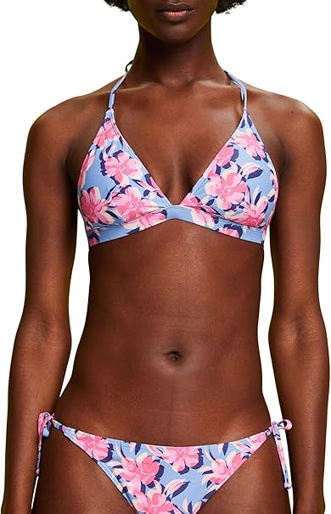 | 993EF1A305 padded halterneck | Top / Bra | OXFORD | 10215610 | Hamptons Beach | E003 | 36 | 1,413 | A | E003A036 | 4066361269179 | Women | 1 | 11
 |  |  |  |  |  |  | 38 | 1,857 | A | E003A038 | 4066361270212
 |  |  |  |  |  |  | 40 | 903 | A | E003A040 | 4066361270243
 |  |  |  |  |  |  | 36 | 4,860 | B | E003B036 | 4066361270199
 |  |  |  |  |  |  | 38 | 9,470 | B | E003B038 | 4066361270229
 |  |  |  |  |  |  | 40 | 6,111 | B | E003B040 | 4066361270250
 |  |  |  |  |  |  | 42 | 2,993 | B | E003B042 | 4066361270281
 |  |  |  |  |  |  | 36 | 1,251 | C | E003C036 | 4066361270205
 |  |  |  |  |  |  | 38 | 4,715 | C | E003C038 | 4066361270236
 |  |  |  |  |  |  | 40 | 4,151 | C | E003C040 | 4066361270267
 |  |  |  |  |  |  | 42 | 3,504 | C | E003C042 | 4066361270298
 | Total 993EF1A305 padded halterneck |  |  |  |  |  |  | 41,228
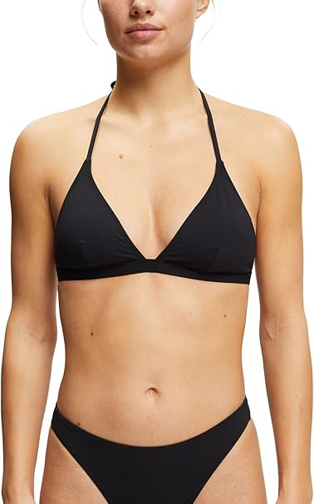 | 993EF1A306 padded halterneck | Top / Bra | BLACK | 10215627 | Hamptons Beach | E001 | 36 | 104 | A | E001A036 | 4066361269186 | Women | 1 | 12
 |  |  |  |  |  |  | 38 | 315 | A | E001A038 | 4066361270328
 |  |  |  |  |  |  | 40 | 101 | A | E001A040 | 4066361270359
 |  |  |  |  |  |  | 42 | 14 | A | E001A042 | 4066361270380
 |  |  |  |  |  |  | 36 | 941 | B | E001B036 | 4066361270304
 |  |  |  |  |  |  | 38 | 1,781 | B | E001B038 | 4066361270335
 |  |  |  |  |  |  | 40 | 1,120 | B | E001B040 | 4066361270366
 |  |  |  |  |  |  | 42 | 563 | B | E001B042 | 4066361270397
 |  |  |  |  |  |  | 36 | 388 | C | E001C036 | 4066361270311
 |  |  |  |  |  |  | 38 | 1,560 | C | E001C038 | 4066361270342
 |  |  |  |  |  |  | 40 | 1,386 | C | E001C040 | 4066361270373
 |  |  |  |  |  |  | 42 | 1,223 | C | E001C042 | 4066361270403
 | Total 993EF1A306 padded halterneck |  |  |  |  |  |  | 9,496
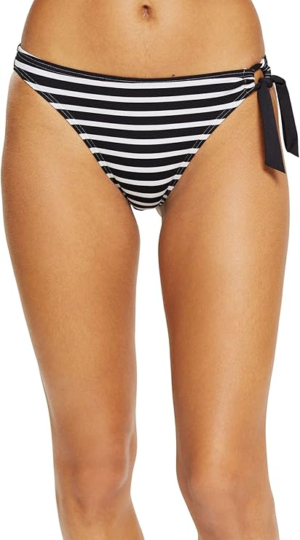 | 993EF1A307 mini brief | Bottom | OXFORD | 10215611 | Hamptons Beach | E003 | 34 | 1,109 | Not assigned | E003034 | 4066361269193 | Women | 1 | 11
 |  |  |  |  |  |  | 36 | 5,120 |  | E003036 | 4066361270410
 |  |  |  |  |  |  | 38 | 8,769 |  | E003038 | 4066361270427
 |  |  |  |  |  |  | 40 | 9,200 |  | E003040 | 4066361270434
 |  |  |  |  |  |  | 42 | 5,517 |  | E003042 | 4066361270441
 |  |  |  |  |  |  | 44 | 2,213 |  | E003044 | 4066361270458
 | Total 993EF1A307 mini brief |  |  |  |  |  |  | 31,928
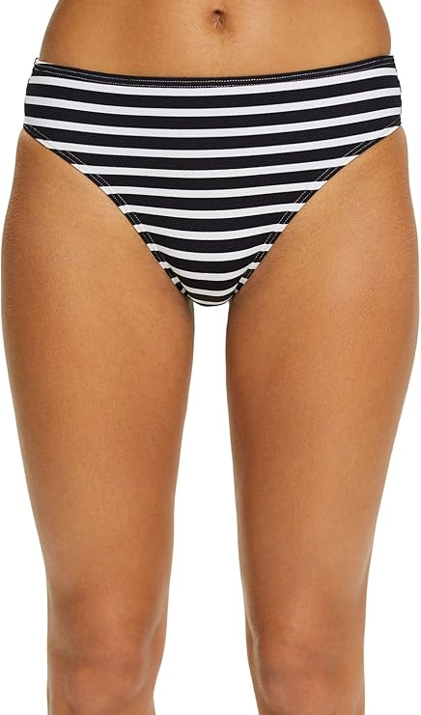 | 993EF1A308 classic brief | Bottom | OXFORD | 10215612 | Hamptons Beach | E003 | 36 | 1,125 | Not assigned | E003036 | 4066361270465 | Women | 1 | 10
 |  |  |  |  |  |  | 38 | 2,975 |  | E003038 | 4066361270472
 |  |  |  |  |  |  | 40 | 3,337 |  | E003040 | 4066361270489
 |  |  |  |  |  |  | 42 | 2,583 |  | E003042 | 4066361270496
 |  |  |  |  |  |  | 44 | 1,032 |  | E003044 | 4066361270502
 |  |  |  |  |  |  | 46 | 365 |  | E003046 | 4066361270519
 | Total 993EF1A308 classic brief |  |  |  |  |  |  | 11,417
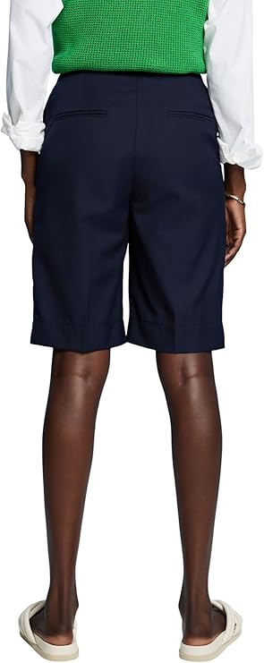 | 993EF1A309 hipster shorts | Bottom | OXFORD | 10215613 | Hamptons Beach | E003 | 40 | 10,689 | Not assigned | E003040 | 4066361270540 | Women | 1 | 12
 |  |  |  |  |  |  | 42 | 7,090 |  | E003042 | 4066361270557
 |  |  |  |  |  |  | 44 | 3,542 |  | E003044 | 4066361270564
 |  |  |  |  |  |  | 34 | 309 |  | E003034 | 4066361269315
 |  |  |  |  |  |  | 36 | 5,649 |  | E003036 | 4066361270526
 |  |  |  |  |  |  | 38 | 10,796 |  | E003038 | 4066361270533
 | Total 993EF1A309 hipster shorts |  |  |  |  |  |  | 38,075
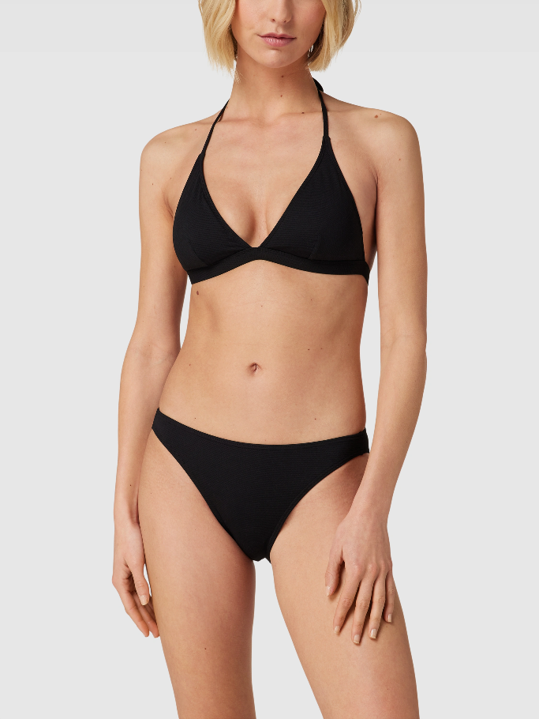 | 993EF1A310 mini brief | Bottom | BLACK | 10215628 | Hamptons Beach | E001 | 34 | 813 | Not assigned | E001034 | 4066361269322 | Women | 1 | 9
 |  |  |  |  |  |  | 36 | 3,991 |  | E001036 | 4066361270571
 |  |  |  |  |  |  | 38 | 7,406 |  | E001038 | 4066361270588
 |  |  |  |  |  |  | 40 | 7,120 |  | E001040 | 4066361270595
 |  |  |  |  |  |  | 42 | 4,397 |  | E001042 | 4066361270601
 |  |  |  |  |  |  | 44 | 1,610 |  | E001044 | 4066361270618
 | Total 993EF1A310 mini brief |  |  |  |  |  |  | 25,337
 | 993EF1A311 classic brief | Bottom | BLACK | 10215629 | Hamptons Beach | E001 | 34 | 321 | Not assigned | E001034 | 4066361269339 | Women | 1 | 10
 |  |  |  |  |  |  | 36 | 651 |  | E001036 | 4066361270625
 |  |  |  |  |  |  | 38 | 1,586 |  | E001038 | 4066361270632
 |  |  |  |  |  |  | 40 | 1,740 |  | E001040 | 4066361270649
 |  |  |  |  |  |  | 42 | 1,582 |  | E001042 | 4066361270656
 |  |  |  |  |  |  | 44 | 1,121 |  | E001044 | 4066361270663
 |  |  |  |  |  |  | 46 | 137 |  | E001046 | 4066361270670
 | Total 993EF1A311 classic brief |  |  |  |  |  |  | 7,138
 | 024EF1A301 padded bra | Top / Bra | MEDIUM GREEN | 10219251 | Silvance Beach | E310 | 36 | 9 | B | E310B036 | 4067493094714 | Women | 1 | 5
 |  |  |  |  |  |  | 38 | 22 |  | E310B038 | 4067493094752
 |  |  |  |  |  |  | 40 | 36 |  | E310B040 | 4067493094790
 |  |  |  |  |  |  | 42 | 9 |  | E310B042 | 4067493094837
 | Total 024EF1A301 padded bra |  |  |  |  |  |  | 76
 | 024EF1A303 padded ruched top | Top / Bra | OXFORD | 10219253 | Silvance Beach | E002 | 34 | 2 | Not assigned | E002034 | 4067493156306 | Women | 1 | 5
 |  |  |  |  |  |  | 36 | 1 | Not assigned | E002036 | 4067493156313
 | Total 024EF1A303 padded ruched top |  |  |  |  |  |  | 3
 | 024EF1A304 padded halterneck bra | Top / Bra | MEDIUM GREEN | 10219254 | Silvance Beach | E310 | 40 | 1 | B | E310B040 | 4067493095612 | Women | 1 | 5
 |  |  |  |  |  |  | 36 | 13 | C | E310C036 | 4067493095568
 |  |  |  |  |  |  | 38 | 46 | C | E310C038 | 4067493095599
 |  |  |  |  |  |  | 40 | 39 | C | E310C040 | 4067493095629
 |  |  |  |  |  |  | 42 | 20 | C | E310C042 | 4067493095650
 | Total 024EF1A304 padded halterneck bra |  |  |  |  |  |  | 119
 | 024EF1A306 sexy hipster shorts | Bottom | MEDIUM GREEN | 10219256 | Silvance Beach | E312 | 36 | 1 | Not assigned | E312036 | 4067493156597 | Women | 1 | 5
 | Total 024EF1A306 sexy hipster shorts |  |  |  |  |  |  | 1
 | 024EF1A307 sexy mini biefs | Bottom | BLACK | 10219257 | Silvance Beach | E001 | 38 | 1 | Not assigned | E001038 | 4067493096107 | Women | 1 | 5
 |  |  |  |  |  |  | 40 | 2 | Not assigned | E001040 | 4067493096114
 | Total 024EF1A307 sexy mini biefs |  |  |  |  |  |  | 3
 | 994EF1A330 sarong TI | Miscellaneous | BLUE | 10223911 | Silvance Beach ACC | E400 | L | 13 | Not assigned | E400000L | 4000668133252 | Women | 1 | 5
 |  |  |  |  |  |  | M | 6 | Not assigned | E400000M | 4000668133269
 | Total 994EF1A330 sarong TI |  |  |  |  |  |  | 19
 | 994EF1A310 padded bra | Top / Bra | BLUE | 10219188 | Silvance Beach NOS | E400 | 36 | 1,864 | A | E400A036 | 4067493031870 | Women | 1 | 6
 |  |  |  |  |  |  | 38 | 2,265 | A | E400A038 | 4067493096459
 |  |  |  |  |  |  | 40 | 1,274 | A | E400A040 | 4067493096497
 |  |  |  |  |  |  | 42 | 127 | A | E400A042 | 4067493096534
 |  |  |  |  |  |  | 36 | 2,016 | B | E400B036 | 4067493096428
 |  |  |  |  |  |  | 38 | 3,738 | B | E400B038 | 4067493096466
 |  |  |  |  |  |  | 40 | 2,549 | B | E400B040 | 4067493096503
 |  |  |  |  |  |  | 42 | 1,389 | B | E400B042 | 4067493096541
 |  |  |  |  |  |  | 36 | 645 | C | E400C036 | 4067493096435
 |  |  |  |  |  |  | 38 | 2,252 | C | E400C038 | 4067493096473
 |  |  |  |  |  |  | 40 | 2,154 | C | E400C040 | 4067493096510
 |  |  |  |  |  |  | 42 | 1,807 | C | E400C042 | 4067493096558
 |  |  |  |  |  |  | 36 | 263 | D | E400D036 | 4067493096442
 |  |  |  |  |  |  | 38 | 580 | D | E400D038 | 4067493096480
 |  |  |  |  |  |  | 40 | 729 | D | E400D040 | 4067493096527
 |  |  |  |  |  |  | 42 | 883 | D | E400D042 | 4067493096565
 |  |  | MEDIUM RED |  |  | E610 | 36 | 852 | A | E610A036 | 4067493096572 |  |  | 5
 |  |  |  |  |  |  | 38 | 1,028 | A | E610A038 | 4067493096619
 |  |  |  |  |  |  | 40 | 583 | A | E610A040 | 4067493096657
 |  |  |  |  |  |  | 42 | 53 | A | E610A042 | 4067493096695
 |  |  |  |  |  |  | 36 | 733 | B | E610B036 | 4067493096589
 |  |  |  |  |  |  | 38 | 1,515 | B | E610B038 | 4067493096626
 |  |  |  |  |  |  | 40 | 1,011 | B | E610B040 | 4067493096664
 |  |  |  |  |  |  | 42 | 472 | B | E610B042 | 4067493096701
 |  |  |  |  |  |  | 36 | 252 | C | E610C036 | 4067493096596
 |  |  |  |  |  |  | 38 | 969 | C | E610C038 | 4067493096633
 |  |  |  |  |  |  | 40 | 911 | C | E610C040 | 4067493096671
 |  |  |  |  |  |  | 42 | 719 | C | E610C042 | 4067493096718
 |  |  |  |  |  |  | 36 | 79 | D | E610D036 | 4067493096602
 |  |  |  |  |  |  | 38 | 246 | D | E610D038 | 4067493096640
 |  |  |  |  |  |  | 40 | 297 | D | E610D040 | 4067493096688
 |  |  |  |  |  |  | 42 | 340 | D | E610D042 | 4067493096725
 | Total 994EF1A310 padded bra |  |  |  |  |  |  | 34,595
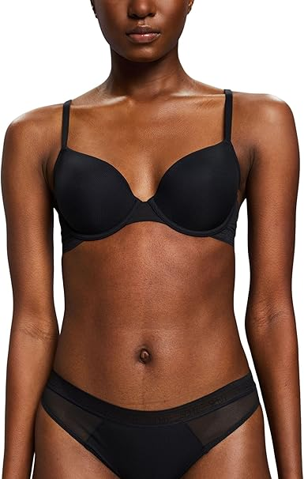 | 994EF1A310 padded bra TI | Top / Bra | BLUE | 10223977 | Silvance Beach NOS | E400 | 38 | 14 | A | E400A038 | 4000668142612 | Women | 1 | 5
 |  |  |  |  |  |  | 40 | 16 | A | E400A040 | 4000668142629
 |  |  |  |  |  |  | 42 | 25 | A | E400A042 | 4000668142636
 |  |  |  |  |  |  | 36 | 17 | B | E400B036 | 4000668142643
 |  |  |  |  |  |  | 38 | 9 | B | E400B038 | 4000668142650
 |  |  |  |  |  |  | 42 | 6 | B | E400B042 | 4000668142674
 |  |  |  |  |  |  | 36 | 32 | C | E400C036 | 4000668142681
 |  |  |  |  |  |  | 38 | 16 | C | E400C038 | 4000668142698
 |  |  |  |  |  |  | 40 | 9 | C | E400C040 | 4000668142704
 |  |  |  |  |  |  | 42 | 12 | C | E400C042 | 4000668142711
 |  |  |  |  |  |  | 38 | 9 | D | E400D038 | 4000668142735
 |  |  |  |  |  |  | 40 | 4 | D | E400D040 | 4000668142742
 |  |  | MEDIUM RED |  |  | E610 | 38 | 7 | A | E610A038 | 4000668142773
 |  |  |  |  |  |  | 40 | 22 | A | E610A040 | 4000668142780
 |  |  |  |  |  |  | 42 | 22 | A | E610A042 | 4000668142797
 |  |  |  |  |  |  | 36 | 16 | B | E610B036 | 4000668142803
 |  |  |  |  |  |  | 38 | 1 | B | E610B038 | 4000668142810
 |  |  |  |  |  |  | 40 | 19 | B | E610B040 | 4000668142827
 |  |  |  |  |  |  | 42 | 3 | B | E610B042 | 4000668142834
 |  |  |  |  |  |  | 36 | 19 | C | E610C036 | 4000668142841
 |  |  |  |  |  |  | 38 | 1 | C | E610C038 | 4000668142858
 |  |  |  |  |  |  | 36 | 19 | D | E610D036 | 4000668142889
 |  |  |  |  |  |  | 38 | 6 | D | E610D038 | 4000668142896
 |  |  |  |  |  |  | 42 | 12 | D | E610D042 | 4000668142919
 | Total 994EF1A310 padded bra TI |  |  |  |  |  |  | 316
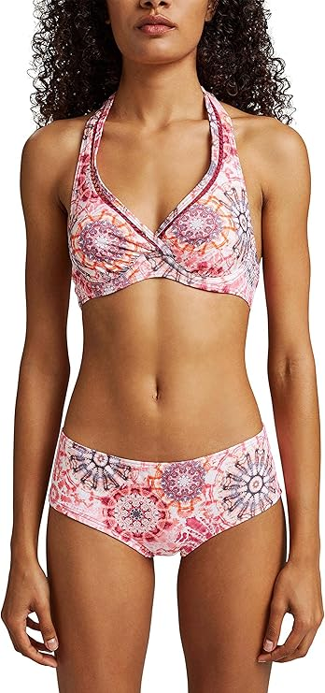 | 994EF1A311 underwire halterneck bra | Top / Bra | BLUE | 10219191 | Silvance Beach NOS | E400 | 36 | 289 | B | E400B036 | 4067493031887 | Women | 1 | 5
 |  |  |  |  |  |  | 38 | 1,047 | B | E400B038 | 4067493096756
 |  |  |  |  |  |  | 40 | 913 | B | E400B040 | 4067493096787
 |  |  |  |  |  |  | 42 | 554 | B | E400B042 | 4067493097012
 |  |  |  |  |  |  | 44 | 135 | B | E400B044 | 4067493097043
 |  |  |  |  |  |  | 46 | 42 | B | E400B046 | 4067493097074
 |  |  |  |  |  |  | 36 | 204 | C | E400C036 | 4067493096732
 |  |  |  |  |  |  | 38 | 1,418 | C | E400C038 | 4067493096763
 |  |  |  |  |  |  | 40 | 1,066 | C | E400C040 | 4067493096794
 |  |  |  |  |  |  | 42 | 758 | C | E400C042 | 4067493097029
 |  |  |  |  |  |  | 44 | 66 | C | E400C044 | 4067493097050
 |  |  |  |  |  |  | 46 | 165 | C | E400C046 | 4067493097081
 |  |  |  |  |  |  | 36 | 212 | D | E400D036 | 4067493096749
 |  |  |  |  |  |  | 38 | 429 | D | E400D038 | 4067493096770
 |  |  |  |  |  |  | 40 | 508 | D | E400D040 | 4067493097005
 |  |  |  |  |  |  | 42 | 207 | D | E400D042 | 4067493097036
 |  |  |  |  |  |  | 44 | 249 | D | E400D044 | 4067493097067
 |  |  |  |  |  |  | 46 | 3 | D | E400D046 | 4067493097098
 |  |  | MEDIUM RED |  |  | E610 | 36 | 133 | B | E610B036 | 4067493097104
 |  |  |  |  |  |  | 38 | 638 | B | E610B038 | 4067493097135
 |  |  |  |  |  |  | 40 | 563 | B | E610B040 | 4067493097166
 |  |  |  |  |  |  | 42 | 300 | B | E610B042 | 4067493097197
 |  |  |  |  |  |  | 44 | 112 | B | E610B044 | 4067493097227
 |  |  |  |  |  |  | 36 | 124 | C | E610C036 | 4067493097111
 |  |  |  |  |  |  | 38 | 775 | C | E610C038 | 4067493097142
 |  |  |  |  |  |  | 40 | 501 | C | E610C040 | 4067493097173
 |  |  |  |  |  |  | 42 | 334 | C | E610C042 | 4067493097203
 |  |  |  |  |  |  | 44 | 59 | C | E610C044 | 4067493097234
 |  |  |  |  |  |  | 46 | 130 | C | E610C046 | 4067493097265
 |  |  |  |  |  |  | 36 | 179 | D | E610D036 | 4067493097128
 |  |  |  |  |  |  | 38 | 291 | D | E610D038 | 4067493097159
 |  |  |  |  |  |  | 40 | 304 | D | E610D040 | 4067493097180
 |  |  |  |  |  |  | 42 | 91 | D | E610D042 | 4067493097210
 |  |  |  |  |  |  | 44 | 231 | D | E610D044 | 4067493097241
 |  |  |  |  |  |  | 46 | 27 | D | E610D046 | 4067493097272
 | Total 994EF1A311 underwire halterneck bra |  |  |  |  |  |  | 13,057
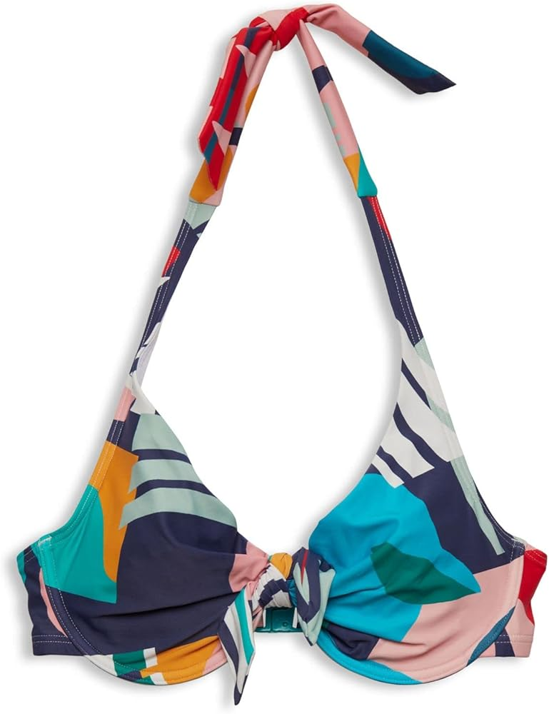 | 994EF1A311 underwire halterneck TI | Top / Bra | BLUE | 10223981 | Silvance Beach NOS | E400 | 40 | 37 | B | E400B040 | 4000668143343 | Women | 1 | 5
 |  |  |  |  |  |  | 42 | 48 | B | E400B042 | 4000668143350
 |  |  |  |  |  |  | 44 | 53 | B | E400B044 | 4000668143367
 |  |  |  |  |  |  | 46 | 24 | B | E400B046 | 4000668143374
 |  |  |  |  |  |  | 36 | 31 | C | E400C036 | 4000668143381
 |  |  |  |  |  |  | 38 | 9 | C | E400C038 | 4000668143398
 |  |  |  |  |  |  | 40 | 13 | C | E400C040 | 4000668143404
 |  |  |  |  |  |  | 42 | 6 | C | E400C042 | 4000668143411
 |  |  |  |  |  |  | 44 | 40 | C | E400C044 | 4000668143428
 |  |  |  |  |  |  | 46 | 45 | C | E400C046 | 4000668143435
 |  |  |  |  |  |  | 36 | 53 | D | E400D036 | 4000668143442
 |  |  |  |  |  |  | 38 | 31 | D | E400D038 | 4000668143459
 |  |  |  |  |  |  | 40 | 17 | D | E400D040 | 4000668143466
 |  |  |  |  |  |  | 42 | 46 | D | E400D042 | 4000668143473
 |  |  | MEDIUM RED |  |  | E610 | 36 | 44 | B | E610B036 | 4000668143503
 |  |  |  |  |  |  | 40 | 15 | B | E610B040 | 4000668143527
 |  |  |  |  |  |  | 42 | 27 | B | E610B042 | 4000668143534
 |  |  |  |  |  |  | 44 | 28 | B | E610B044 | 4000668143541
 |  |  |  |  |  |  | 46 | 68 | B | E610B046 | 4000668143558
 |  |  |  |  |  |  | 36 | 28 | C | E610C036 | 4000668143565
 |  |  |  |  |  |  | 38 | 30 | C | E610C038 | 4000668143572
 |  |  |  |  |  |  | 40 | 65 | C | E610C040 | 4000668143589
 |  |  |  |  |  |  | 42 | 37 | C | E610C042 | 4000668143596
 |  |  |  |  |  |  | 44 | 65 | C | E610C044 | 4000668143602
 |  |  |  |  |  |  | 46 | 38 | C | E610C046 | 4000668143619
 |  |  |  |  |  |  | 36 | 44 | D | E610D036 | 4000668143626
 |  |  |  |  |  |  | 40 | 32 | D | E610D040 | 4000668143640
 |  |  |  |  |  |  | 42 | 36 | D | E610D042 | 4000668143657
 | Total 994EF1A311 underwire halterneck TI |  |  |  |  |  |  | 1,010
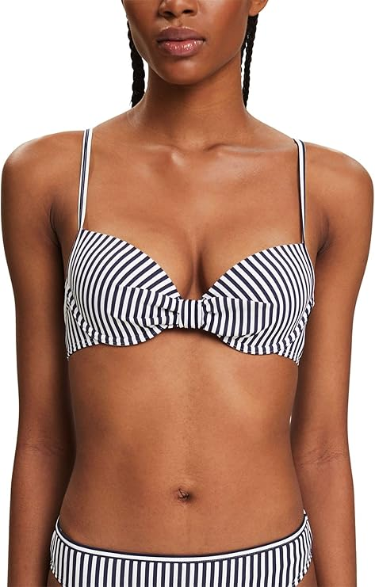 | 994EF1A312 padded ruched top | Top / Bra | BLUE | 10219189 | Silvance Beach NOS | E400 | 34 | 113 | Not assigned | E400034 | 4067493031894 | Women | 1 | 5
 |  |  |  |  |  |  | 36 | 430 |  | E400036 | 4067493097289
 |  |  |  |  |  |  | 38 | 772 |  | E400038 | 4067493097296
 |  |  |  |  |  |  | 40 | 669 |  | E400040 | 4067493097302
 |  |  |  |  |  |  | 42 | 452 |  | E400042 | 4067493097319
 |  |  | MEDIUM RED |  |  | E610 | 34 | 1 |  | E610034 | 4067493097326
 |  |  |  |  |  |  | 36 | 249 |  | E610036 | 4067493097333
 |  |  |  |  |  |  | 38 | 403 |  | E610038 | 4067493097340
 |  |  |  |  |  |  | 40 | 361 |  | E610040 | 4067493097357
 |  |  |  |  |  |  | 42 | 246 |  | E610042 | 4067493097364
 | Total 994EF1A312 padded ruched top |  |  |  |  |  |  | 3,696
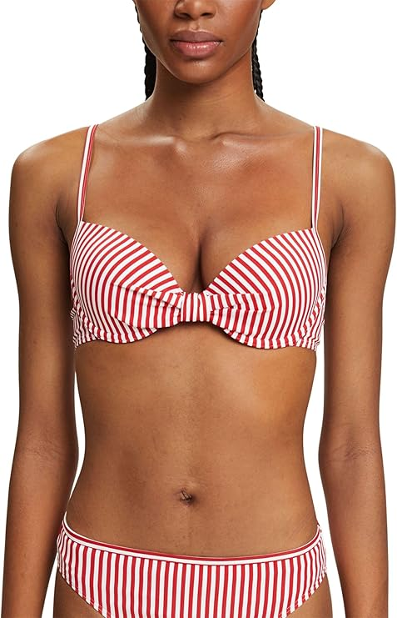 | 994EF1A313 padded halterneck bra | Top / Bra | BLUE | 10219190 | Silvance Beach NOS | E400 | 36 | 1,328 | B | E400B036 | 4067493033508 | Women | 1 | 7
 |  |  |  |  |  |  | 38 | 2,644 | B | E400B038 | 4067493097401
 |  |  |  |  |  |  | 40 | 1,771 | B | E400B040 | 4067493097432
 |  |  |  |  |  |  | 42 | 857 | B | E400B042 | 4067493097463
 |  |  |  |  |  |  | 36 | 689 | C | E400C036 | 4067493097388
 |  |  |  |  |  |  | 38 | 1,850 | C | E400C038 | 4067493097418
 |  |  |  |  |  |  | 40 | 1,791 | C | E400C040 | 4067493097449
 |  |  |  |  |  |  | 42 | 1,614 | C | E400C042 | 4067493097470
 |  |  |  |  |  |  | 36 | 76 | D | E400D036 | 4067493097395
 |  |  |  |  |  |  | 38 | 218 | D | E400D038 | 4067493097425
 |  |  |  |  |  |  | 40 | 275 | D | E400D040 | 4067493097456
 |  |  |  |  |  |  | 42 | 346 | D | E400D042 | 4067493097487
 |  |  | MEDIUM RED |  |  | E610 | 36 | 411 | B | E610B036 | 4067493097494
 |  |  |  |  |  |  | 38 | 1,016 | B | E610B038 | 4067493097524
 |  |  |  |  |  |  | 40 | 732 | B | E610B040 | 4067493097555
 |  |  |  |  |  |  | 42 | 316 | B | E610B042 | 4067493097586
 |  |  |  |  |  |  | 36 | 155 | C | E610C036 | 4067493097500
 |  |  |  |  |  |  | 38 | 679 | C | E610C038 | 4067493097531
 |  |  |  |  |  |  | 40 | 665 | C | E610C040 | 4067493097562
 |  |  |  |  |  |  | 42 | 597 | C | E610C042 | 4067493097593
 |  |  |  |  |  |  | 36 | 97 | D | E610D036 | 4067493097517
 |  |  |  |  |  |  | 38 | 209 | D | E610D038 | 4067493097548
 |  |  |  |  |  |  | 40 | 230 | D | E610D040 | 4067493097579
 |  |  |  |  |  |  | 42 | 312 | D | E610D042 | 4067493097609
 | Total 994EF1A313 padded halterneck bra |  |  |  |  |  |  | 18,878
 | 994EF1A313 padded halterneck bra TI | Top / Bra | BLUE | 10223980 | Silvance Beach NOS | E400 | 36 | 1 | B | E400B036 | 4000668143084 | Women | 1 | 7
 |  |  | BLUE |  |  | E400 | 36 | 13 | C | E400C036 | 4000668143121
 |  |  | MEDIUM RED |  |  | E610 | 36 | 4 | B | E610B036 | 4000668143206
 |  |  | MEDIUM RED |  |  | E610 | 40 | 12 | B | E610B040 | 4000668143220
 |  |  | MEDIUM RED |  |  | E610 | 42 | 18 | B | E610B042 | 4000668143237
 | Total 994EF1A313 padded halterneck bra TI |  |  |  |  |  |  | 48
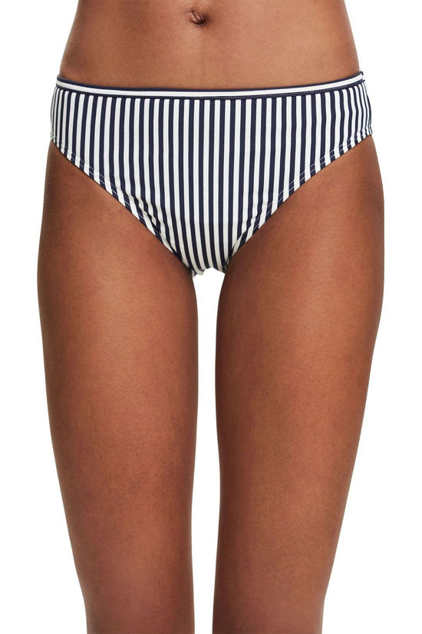 | 994EF1A314 classic brief | Bottom | BLUE | 10219192 | Silvance Beach NOS | E400 | 34 | 255 | Not assigned | E400034 | 4067493033515 | Women | 1 | 6
 |  |  |  |  |  |  | 36 | 2,635 |  | E400036 | 4067493097616
 |  |  |  |  |  |  | 38 | 6,136 |  | E400038 | 4067493097623
 |  |  |  |  |  |  | 40 | 6,912 |  | E400040 | 4067493097630
 |  |  |  |  |  |  | 42 | 5,501 |  | E400042 | 4067493097647
 |  |  |  |  |  |  | 44 | 2,939 |  | E400044 | 4067493097654
 |  |  | MEDIUM RED |  |  | E610 | 34 | 76 |  | E610034 | 4067493097661
 |  |  |  |  |  |  | 36 | 1,061 |  | E610036 | 4067493097678
 |  |  |  |  |  |  | 38 | 2,528 |  | E610038 | 4067493097685
 |  |  |  |  |  |  | 40 | 2,893 |  | E610040 | 4067493097692
 |  |  |  |  |  |  | 42 | 1,667 |  | E610042 | 4067493097906
 |  |  |  |  |  |  | 44 | 1,297 |  | E610044 | 4067493097913
 | Total 994EF1A314 classic brief |  |  |  |  |  |  | 33,900
 | 994EF1A314 classic brief TI | Bottom | BLUE | 10223984 | Silvance Beach NOS | E400 | 34 | 70 | Not assigned | E400034 | 4000668143923 | Women | 1 | 6
 |  |  |  |  |  |  | 36 | 24 |  | E400036 | 4000668143930
 |  |  |  |  |  |  | 38 | 4 |  | E400038 | 4000668143947
 |  |  |  |  |  |  | 40 | 6 |  | E400040 | 4000668143954
 |  |  |  |  |  |  | 42 | 6 |  | E400042 | 4000668143961
 |  |  |  |  |  |  | 44 | 80 |  | E400044 | 4000668143978
 |  |  | MEDIUM RED |  |  | E610 | 34 | 32 |  | E610034 | 4000668143985
 |  |  |  |  |  |  | 36 | 1 |  | E610036 | 4000668143992
 |  |  |  |  |  |  | 38 | 2 |  | E610038 | 4000668144005
 |  |  |  |  |  |  | 42 | 10 |  | E610042 | 4000668144029
 |  |  |  |  |  |  | 44 | 28 |  | E610044 | 4000668144036
 | Total 994EF1A314 classic brief TI |  |  |  |  |  |  | 263
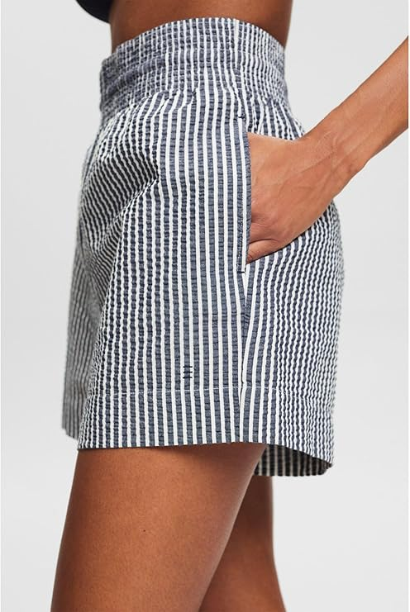 | 994EF1A315 sexy hipster shorts | Bottom | BLUE | 10219193 | Silvance Beach NOS | E400 | 34 | 30 | Not assigned | E400034 | 4067493033522 | Women | 1 | 5
 |  |  |  |  |  |  | 36 | 1,531 |  | E400036 | 4067493097920
 |  |  |  |  |  |  | 38 | 2,890 |  | E400038 | 4067493097937
 |  |  |  |  |  |  | 40 | 2,977 |  | E400040 | 4067493097944
 |  |  |  |  |  |  | 42 | 2,024 |  | E400042 | 4067493097951
 |  |  |  |  |  |  | 44 | 1,041 |  | E400044 | 4067493097968
 |  |  | MEDIUM RED |  |  | E610 | 36 | 657 |  | E610036 | 4067493097982
 |  |  |  |  |  |  | 38 | 1,345 |  | E610038 | 4067493097999
 |  |  |  |  |  |  | 40 | 1,452 |  | E610040 | 4067493098002
 |  |  |  |  |  |  | 42 | 915 |  | E610042 | 4067493098019
 |  |  |  |  |  |  | 44 | 541 |  | E610044 | 4067493098026
 | Total 994EF1A315 sexy hipster shorts |  |  |  |  |  |  | 15,403
 | 994EF1A315 sexy hipster shorts TI | Bottom | BLUE | 10223987 | Silvance Beach NOS | E400 | 34 | 54 | Not assigned | E400034 | 4000668144302 | Women | 1 | 5
...
ESPRIT LADIE'S BEACHWEAR
PHOTOS | DESCRIPTION | CAT | COLOR | REF | SERIES | COL
 |  |  | MEDIUM RED |  |  | E610
 | Total 994EF1A315 sexy hipster shorts TI
 | 994EF1A316 sexy mini brief TI | Bottom | BLUE | 10223988 | Silvance Beach NOS | E400
 |  |  | BLUE |  |  | E400
 |  |  | BLUE |  |  | E400
 |  |  | BLUE |  |  | E400
 |  |  | MEDIUM RED |  |  | E610
 |  |  | MEDIUM RED |  |  | E610
 |  |  | MEDIUM RED |  |  | E610
 | Total 994EF1A316 sexy mini brief TI
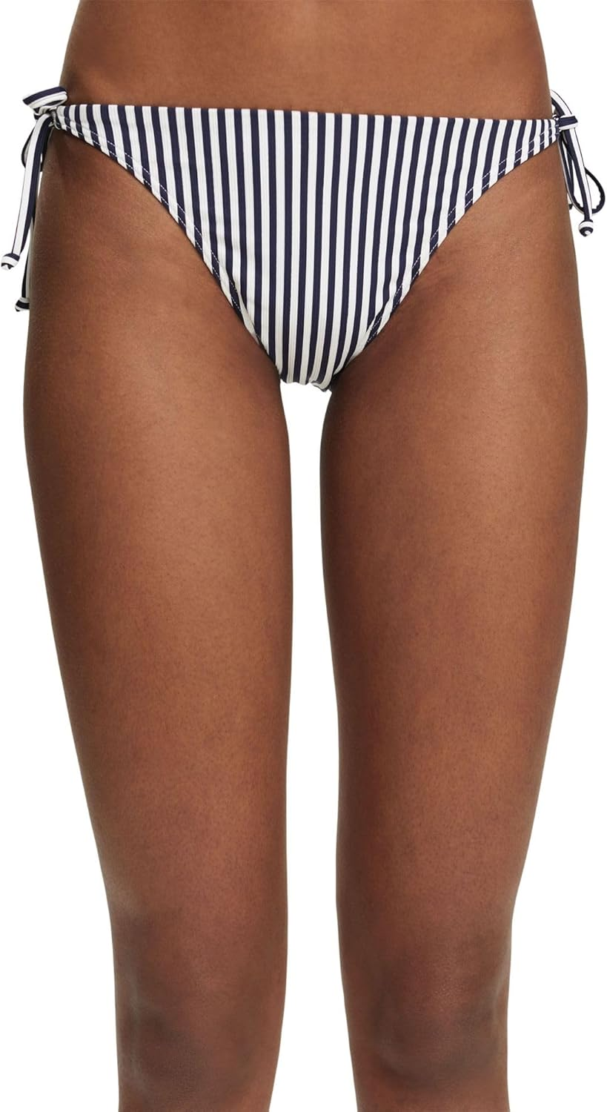 | 994EF1A316 sexy mini briefs | Bottom | BLUE | 10219194 | Silvance Beach NOS | E400
...
ESPRIT LADIE'S BEACHWEAR
PHOTOS | DESCRIPTION | CAT | COLOR | REF | SERIES | COL
 |  |  | MEDIUM RED |  |  | E610
...
ESPRIT LADIE'S BEACHWEAR
PHOTOS | DESCRIPTION | CAT | COLOR | REF | SERIES | COL
 | Total 994EF1A316 sexy mini briefs
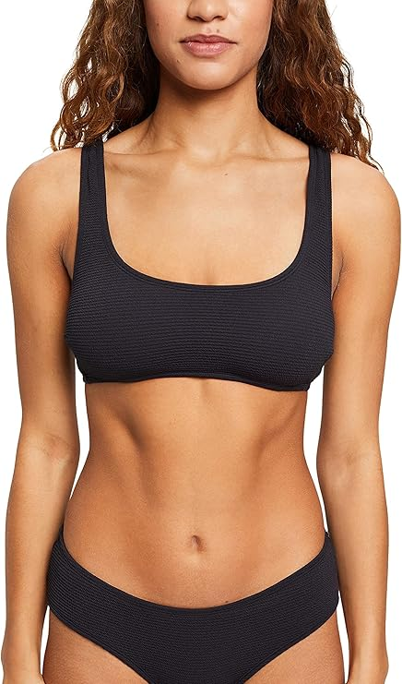 | 992EF1A301 Padded Top | Top / Bra | BLACK | 10211951 | Tura Beach AY | E001
...
ESPRIT LADIE'S BEACHWEAR
PHOTOS | DESCRIPTION | CAT | COLOR | REF | SERIES | COL
 |  |  | BLUE |  |  | E400
...
ESPRIT LADIE'S BEACHWEAR
PHOTOS | DESCRIPTION | CAT | COLOR | REF | SERIES | COL
 | Total 992EF1A301 Padded Top
 | 992EF1A301 padded top rem.pads TI | Top / Bra | BLACK | 10224128 | Tura Beach AY | E001
 |  |  | BLACK |  |  | E001
 |  |  | BLACK |  |  | E001
 |  |  | BLUE |  |  | E400
 | Total 992EF1A301 padded top rem.pads TI
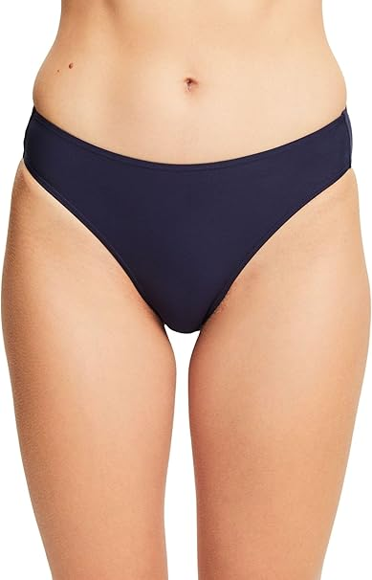 | 992EF1A302 Classic Brief | Bottom | BLACK | 10211952 | Tura Beach AY | E001
...
ESPRIT LADIE'S BEACHWEAR
PHOTOS | DESCRIPTION | CAT | COLOR | REF | SERIES | COL
 |  |  | BLUE |  |  | E400
...
ESPRIT LADIE'S BEACHWEAR
PHOTOS | DESCRIPTION | CAT | COLOR | REF | SERIES | COL
 | Total 992EF1A302 Classic Brief
 | 992EF1A302 classic brief TI | Bottom | BLACK | 10224130 | Tura Beach AY | E001
 |  |  | BLACK | 10224130 |  | E001
 |  |  | BLACK | 10224130 |  | E001
 |  |  | BLUE | 10224130 |  | E400
 |  |  | BLUE | 10224130 |  | E400
 |  |  | BLUE | 10224130 |  | E400
 |  |  | BLUE | 10224130 |  | E400
 | Total 992EF1A302 classic brief TI
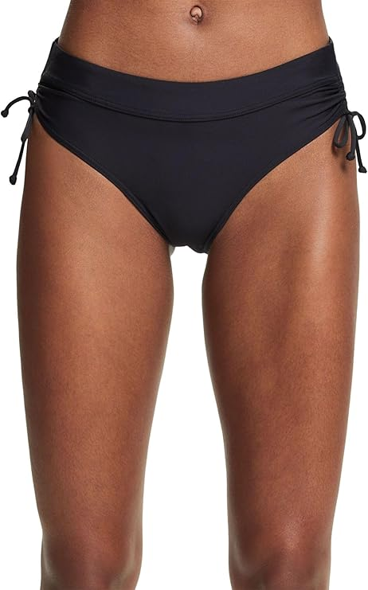 | 992EF1A303 Mid Waist Brief | Bottom | BLACK | 10211953 | Tura Beach AY | E001
...
ESPRIT LADIE'S BEACHWEAR
PHOTOS | DESCRIPTION | CAT | COLOR | REF | SERIES | COL
 |  |  | BLUE |  |  | E400
...
ESPRIT LADIE'S BEACHWEAR
PHOTOS | DESCRIPTION | CAT | COLOR | REF | SERIES | COL
 | Total 992EF1A303 Mid Waist Brief
 | 992EF1A303 mid waist brief TI | Bottom | BLACK | 10224132 | Tura Beach AY | E001
...
ESPRIT LADIE'S BEACHWEAR
PHOTOS | DESCRIPTION | CAT | COLOR | REF | SERIES | COL
 | Total 992EF1A303 mid waist brief TI
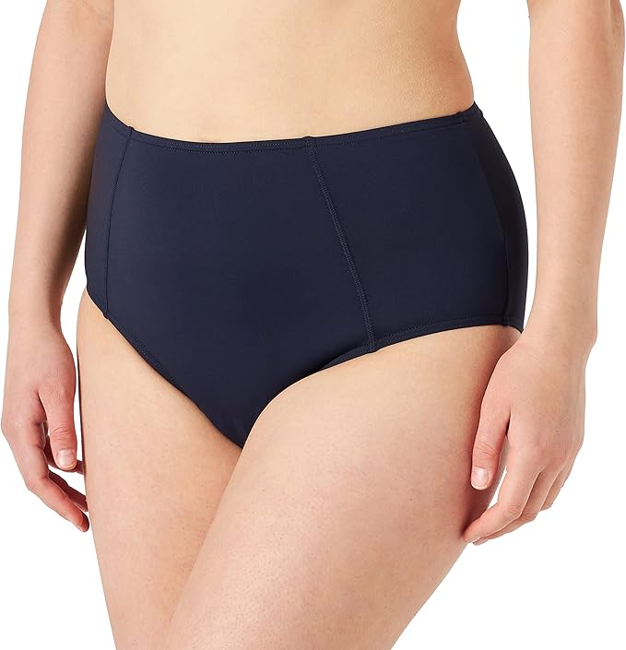 | 992EF1A304 High Waist Brief | Bottom | BLACK | 10211984 | Tura Beach AY | E001
...
ESPRIT LADIE'S BEACHWEAR
PHOTOS | DESCRIPTION | CAT | COLOR | REF | SERIES | COL
 |  |  | BLUE |  |  | E400
...

